Tabelle1
Item number | Pcs. | Name | Type | Picture | Supplier link | Comment
1 |  | ESP32 Sound and Light Controller SMD V1.2 | Version 1.2 with switch mode power supply and dashboard connector. |  | https://www.pcbway.com/project/shareproject/Arduino_RC_engine_sound_light_controller_for_ESP32_a9334731.html | Select "PCB+ Assembly" (All SMD components will already be soldered), then "Add to Cart"
2 | 1 | 2.54 mm Male Pin Header | 10 PCS, 1x40 Pin black | 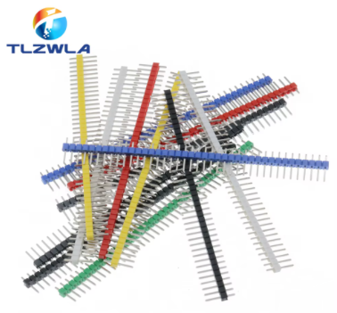 | https://de.aliexpress.com/item/1005005258694395.html
3 | 1 |  | 10 PCS, 1x40 Pin white
4 | 1 |  | 10 PCS, 1x40 Pin red
5 |  | 2.54 mm Female Header | 20PCS, 15 Pins | 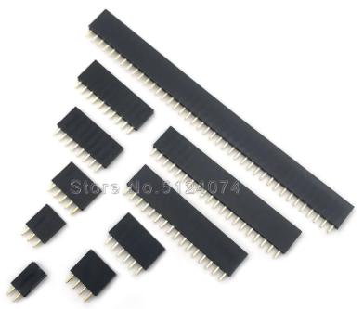 | https://de.aliexpress.com/item/4000278469653.html
6 | 1 | Terminal Block | 10 PCS, 2P blue |  | https://de.aliexpress.com/item/1005006642865467.html
7 | 1 | Trim Potentiometer | 10PCS, 20K | 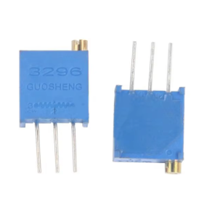 | https://de.aliexpress.com/item/1005005988950077.html
8 | 1 | PAM8403 2x3W Amplifier | 5PCS | 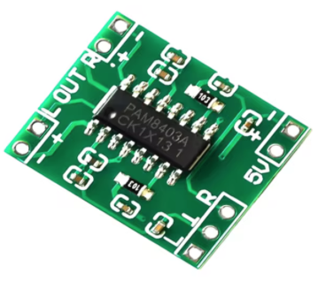 | https://de.aliexpress.com/item/1005006676388153.html
9 | 1 | MP1584 DC-DC Step down Power Supply | 10PCS, Fixed Output 5V |  | https://de.aliexpress.com/item/1005003830269861.html
10 | 1 | ESP32 | 30 Pin, CP2102 | 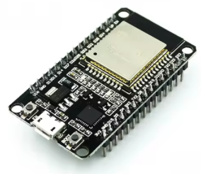 | https://de.aliexpress.com/item/32797879940.html
11 | 1 | 3D printable housing |  |  | https://thediyguy999.github.io/TheDIYGuy999_ESP32_Web_Flasher/products/ESP32SoundAndLightController/Housing.zip
 |  | Compiled Software |  |  | https://thediyguy999.github.io/TheDIYGuy999_ESP32_Web_Flasher/flash.html | Install it, using your browser!
 |  | Full GitHub Repo |  |  | https://github.com/TheDIYGuy999/Rc_Engine_Sound_ESP32 | VS Code recommended

